B_001-TC_E_T_002
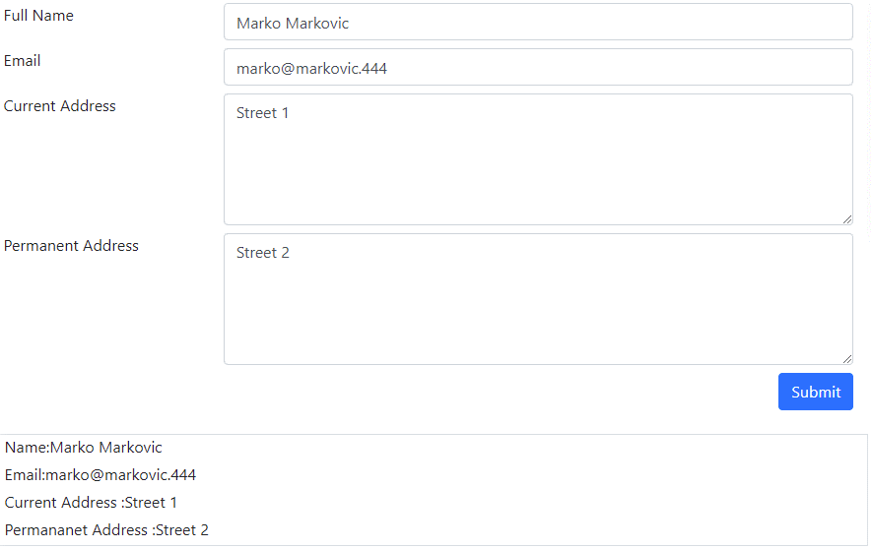
BUG ID |  | B_001-TC_E_T_002
NAME | Text Box form with invalid data is submitted.

DESCRIPTION
Text Box form with invalid data (numbers in domain for mail field) is submitted, but it should not be.

PRECONDITION
Elements section and Text Box subsection opened (https://demoqa.com/text-box).

STEP | STEPS TO REPRODUCE | TEST DATA
1 | Enter full name | Marko Markovic
2 | Enter email | marko@markovic.444
3 | Enter current address | Street 1
4 | Enter permanent address | Steet 2
5 | Click "Submit"

EXPECTED RESULT
Submit is not allowed (besause of invalid data entry).

ACTUAL RESULT
Form is submited and entered data are displayed in message.

RELATED TEST CASE |  | TC_E_T_002

ENVIRONMENT |  | QA

ASSIGNED TO |  | DevTeam

SEVERITY |  | High

PRIORITY |  | High

